
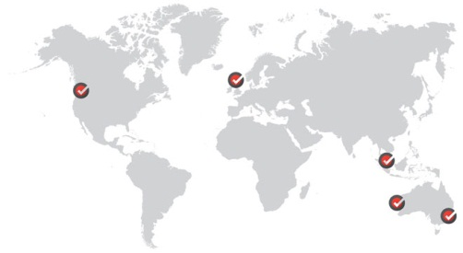
 | Preparation and Ownership fo Financial Models
 | Transaction Model: Funding options and testing limits
 | IFM Investors, Melbourne, June 2014

 | Name | Kenny Chew, Senior Associate
 | Company | Corality Financial Group
 | Email | kenny.chew@corality.com

www.corality.com
contact@corality.com
© Copyright 2012 Corality Financial Group

